BillOfMaterials

Automatic Door Control
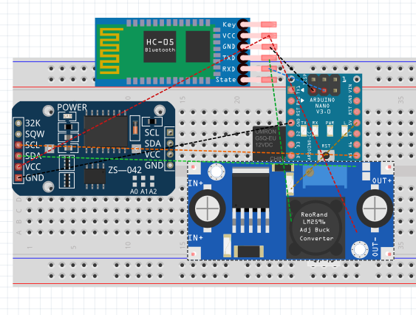
 | Assembly Name : | N/A |  |  | [42]
 | Assembly Number : | 1
 | Assembly Revision : | Rev01
 | Approval Date : | N/A
 | Part Count : | 6
 | Total Cost : | $42.90

Part # | Part Name | Description | Qty | Units | Picture | Unit Cost | Cost | Link to Purchase
 | RTC& EEPROM Module DS3231 AT24C32 | low-cost, accurate I2C real-time clock (RTC), | 1 |  |  | $3.00 | $3.00 | https://www.elecrow.com/rtc-eeprom-module-ds3231-at24c32-p-863.html
 | Relay SPDT Sealed | 12V max, 5V min, max 5A used to switch high voltage | 1 |  |  | $1.95 | $1.95 | https://www.sparkfun.com/products/100
 | Arduino Nano V3 | Microcontroller: ATmega328 Operating Voltage (logic level): 5V Input Voltage (recommended): 7V ~ 12V Input Voltage (limits): 6V ~ 20 V | 1 |  |  | $5.87 | $5.87 | https://www.banggood.com/ATmega328P-Nano-V3-Module-Improved-Version-No-Cable-Development-Board-p-959231.html?rmmds=buy&cur_warehouse=USA
 | LM2596 DC-DC (Not Finalized yet) | Input: DC 3V to 40V (input voltage must be higher than the output voltage to 1.5v above can not boost) | 1 |  |  | $14.95 | $14.95 | https://www.amazon.com/LM2596-Converter-Module-Supply-1-23V-30V/dp/B008BHBEE0
 | DSD TECH SH-HC-08 Bluetooth 4.0 BLE1 | Output: DC 1.5V to 35V voltage continuously adjustable, high-efficiency maximum output current of 3A. | 1 |  |  | $7.99 | $7.99 | https://www.amazon.com/DSD-TECH-SH-HC-08-Transceiver-Compatible/dp/B01N4P7T0H
 | PCB (Fritzing) | PCB through Vendor | 1 |  |  | $9.14 | $9.14 | https://aisler.net/partners/fritzing
 |  |  |  |  |  |  | $-
 |  |  |  |  |  |  | $-
 |  |  |  |  |  |  | $-
 |  |  |  |  |  |  | $-
 |  |  |  |  |  |  | $-
 |  |  |  |  |  |  | $-
 |  |  |  |  |  |  | $-
 |  |  |  |  |  |  | $-
 |  |  |  |  |  |  | $-
 |  |  |  |  |  |  | $-
 |  |  |  |  |  |  | $-
 |  |  |  |  |  |  | $-
 |  |  |  |  |  |  | $-
 | Total |  | 6 |  |  |  | $42.90

Example

Bill of Materials for LEGO® Design
 |  |  |  |  |  |  |  |  |  | © 2012-2019 Vertex42 LLC
 |  |  | Assembly Name : | Mini X-Wing™ |  |  | [42] |  |  | Bill of Materials Template
 |  |  | Assembly Number : | Custom
 |  |  | Assembly Revision :
 |  |  | Approval Date :
 |  |  | Pieces : | 46
 |  |  | Total Cost : | $5.85

Category | Part # | Elem ID | Part Name | Color | Qty | Units | Picture | Unit Cost | Cost
Bricks, Sloping | 50746 | 4504369 | ROOF TILE 1X1X2/3, ABS | 1 - White | 1 | each |  | $0.10 | $0.10
Plates | 3024 | 302401 | PLATE 1X1 | 1 - White | 1 | each |  | $0.10 | $0.10
Plates | 3023 | 302301 | PLATE 1X2 | 1 - White | 2 | each |  | $0.10 | $0.20
Plates | 3023 | 4211398 | PLATE 1X2 | 194 - Medium Stone Grey | 1 | each |  | $0.10 | $0.10
Plates | 3794 | 379401 | PLATE 1X2 W. 1 KNOB | 1 - White | 1 | each |  | $0.10 | $0.10
Plates | 3623 | 362301 | PLATE 1X3 | 1 - White | 1 | each |  | $0.10 | $0.10
Plates | 3623 | 362321 | PLATE 1X3 | 21 - Bright Red | 1 | each |  | $0.10 | $0.10
Plates | 94148 | 302201 | PLATE 2X2 | 1 - White | 1 | each |  | $0.15 | $0.15
Plates, Special | 6141 | 4210633 | PLATE 1X1 ROUND | 199 - Dark Stone Grey | 1 | each |  | $0.10 | $0.10
Plates, Special | 3070 | 307021 | FLAT TILE 1X1 | 21 - Bright Red | 4 | each |  | $0.10 | $0.40
Plates, Special | 2412 | 241201 | RADIATOR GRILLE 1X2 | 1 - White | 1 | each |  | $0.10 | $0.10
Plates, Special | 6019 | 4538353 | PLATE 1X1 W/HOLDER VERTICAL | 1 - White | 4 | each |  | $0.15 | $0.60
Plates, Special | 2431 | 4558168 | FLAT TILE 1X4 | 1 - White | 1 | each |  | $0.20 | $0.20
Plates, Special | 63868 | 4535737 | PLATE 2X1 W/HOLDER,VERTICAL | 1 - White | 4 | each |  | $0.15 | $0.60
Plates, Special | 2540 | 4211632 | PLATE 1X2 W. STICK | 194 - Medium Stone Grey | 4 | each |  | $0.15 | $0.60
Plates, Special | 3176 | 4225733 | COUPLING PLATE 2X2 | 199 - Dark Stone Grey | 1 | each |  | $0.20 | $0.20
Bricks, Special | 49668 | 4224793 | PLATE 1X1 W/TOOTH | 5 - Brick Yellow | 1 | each |  | $0.10 | $0.10
Technic | 32123 | 4211573 | 1/2 BUSH | 194 - Medium Stone Grey | 4 | each |  | $0.10 | $0.40
Technic | 6590 | 4211622 | BUSH FOR CROSS AXLE | 194 - Medium Stone Grey | 8 | each |  | $0.15 | $1.20
Accessories | 3957 | 4211473 | STICK/AERIAL | 194 - Medium Stone Grey | 4 | each |  | $0.10 | $0.40
 |  |  | Total |  | 46 |  |  |  | $5.85

